Title Report
TestId | Test Cases | expected Result | Actual Result | Attach | status | Column7 | Column8 | Column9
1 | File upload component allows invalid file types (.exe, .docx) despite restriction | System should only allow PDF, JPG, PNG | System accepts and uploads: .exe files .docx files |  | Done
2 | NIC Number/Reg no and Account No not valid then user can input any text | system should not allow the account number and NIC number string and another symbol, character value | System Accepts All text |  | Done / pendding
3 | Reference Field Does Not Enforce Maximum & Minimum Length Validation | The system should restrict input length (e.g., 8/15 characters) and display a validation message. | The system accepts input beyond the expected length without any validation.
 | Account number not validation then user can input any text (symbol, character,) | the system not allow the account number symbol, character value | Account number accept all text |  | Done
4 | phone number not validation the user can input any text(symbol, character) | the system not allow the phone number symbol, string value | Account number accept all text |  | email part issue (Done)
5 | Currency Type “Other” option does not allow user to enter custom currency | When user selects “Other”, a text input field should appear. User should be able to enter a custom currency type (e.g., “INR”, etc.). | Input field is not enabled OR User cannot type anything in the field |  | pendding / done (solved, add the feature setting option)
6 | Amount not validation the user can input any text(symbol, character) | the system not allow the Amount symbol, string value | Amount Accept All text |  | Done
7 | Deed no & plan No field doesn't max and min length validation | The system should restrict input length (e.g., 8/15 characters) and display a validation message. | The system accepts input beyond the expected length without any validation.
8 | User cannot edit or add Deed & Plan details after navigating to Lot Details page | User should be able to: Navigate back to Deed & Plan Details Edit existing details Add new deed/plan information | User is unable to: Edit previously entered deed & plan details |  | 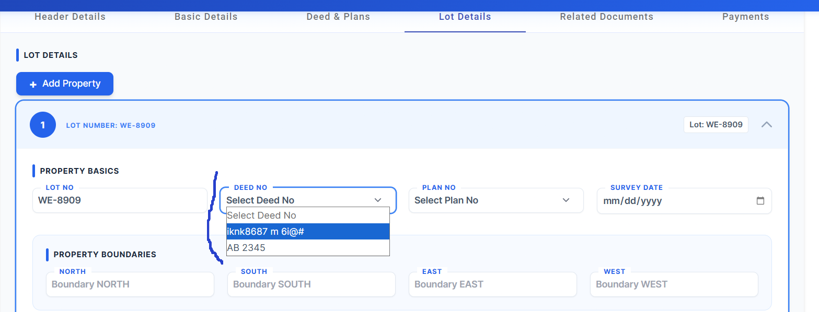 | Not saving plan no (done)
9 | system should be (perch, SQ.FT, SQ.M,HECTARES) numberic value but user can any insert text | user should be numberic value |  user can insert any text |  | Done
10 | File upload component allows invalid file types (.exe, .docx, .exe) despite restriction | System should only allow PDF, JPG, PNG | System accepts and uploads: .exe files .docx files and all file |  | Done
11 | Attached document not displayed and download option not working when clicking View | Document should open/display correctly in preview mode. User should be able to download the document successfully. | Document is not displayed after clicking View Download option is not working OR not available |  |  |  | Done
12 | Amount is not displayed/updated when selecting “Collected” status in Payment Details | When status is set to “Collected”:, Relevant amount should be calculated and displayed | Even after selecting “Collected”: Amount remains Rs. 0.00 No calculation or update is shown | 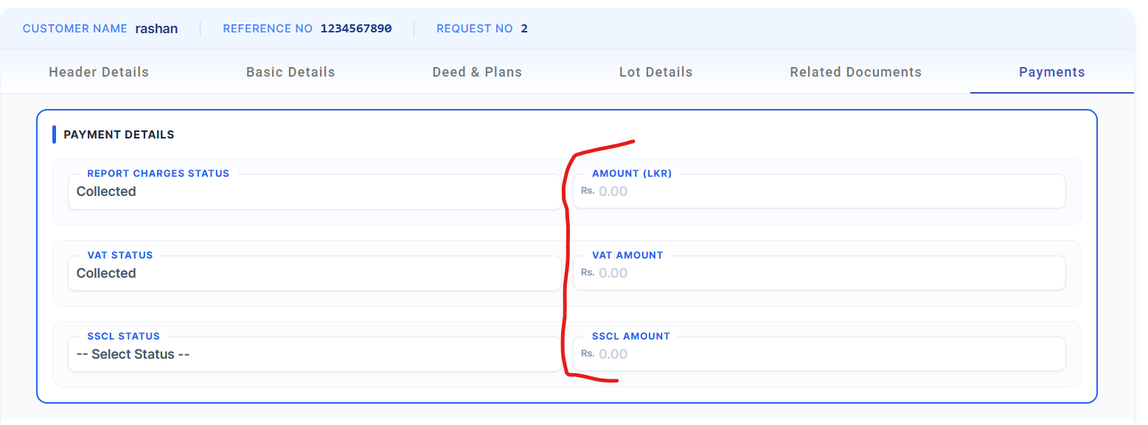 | Done
13 | NIC Number not valid then user can input any text | system should not allow the NIC number string and another symbol, character value | System Accepts All text | 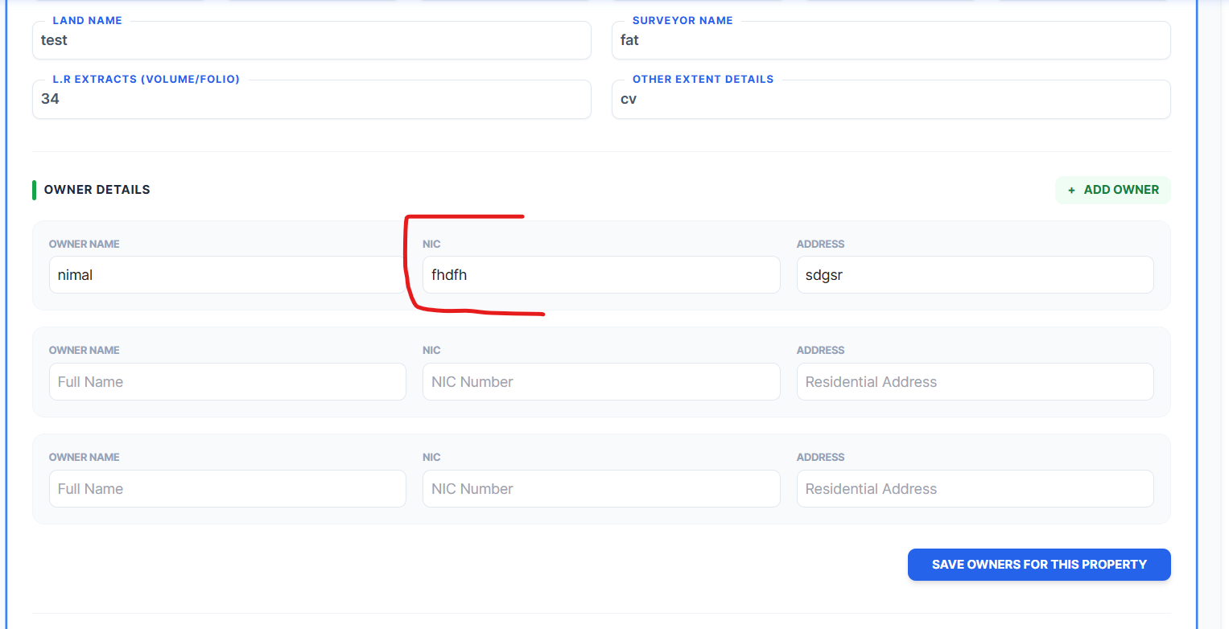 | done
14 | Data entered in form is not saved when navigating to another page (Data loss issue) | Entered data should be Saved automatically | All entered data is lost Fields are reset to empty |  | done
15 | option column is displayed in Deed & plans table - should be removed (Approve Memo) | deed & plans table should not display the "option" column | "option" column is displayed in the deed & plans table | 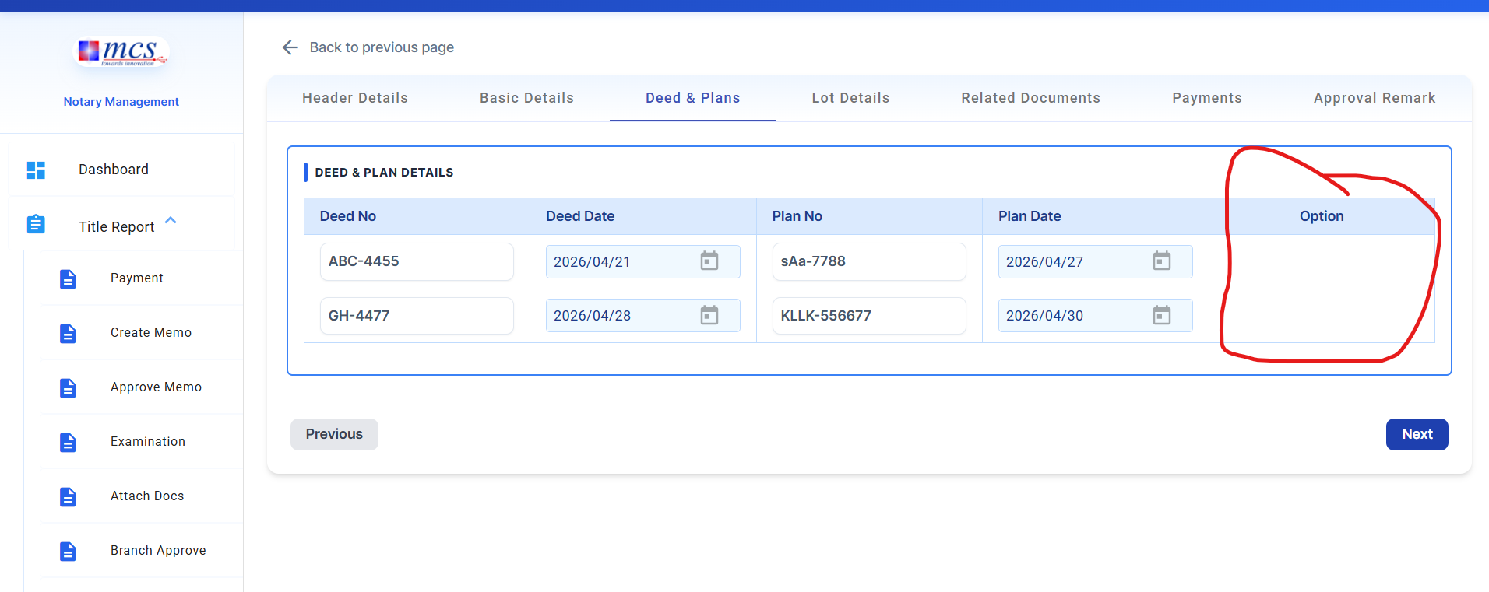 | done
16 | The operator can modify details in the Approval section restricted to the Officer role | Only Officer role should be able to: View-only access (no edit permissions) Operator role should have: approval details Modify remarks | Officer is able to edit/change approval details |  | Add the pop up msg in this section (Done)
17 | Memo Start Time and Approved Date are not recorded in real-time | Memo Start should capture the exact system time when the memo is created. Approved Date should capture the exact system time when approval is done. Both timestamps should reflect real-time (current system time) accurately. | Memo Start time is not matching real-time. Approved Date is also incorrect / delayed / mismatched. Time values appear inconsistent with actual user actions. | 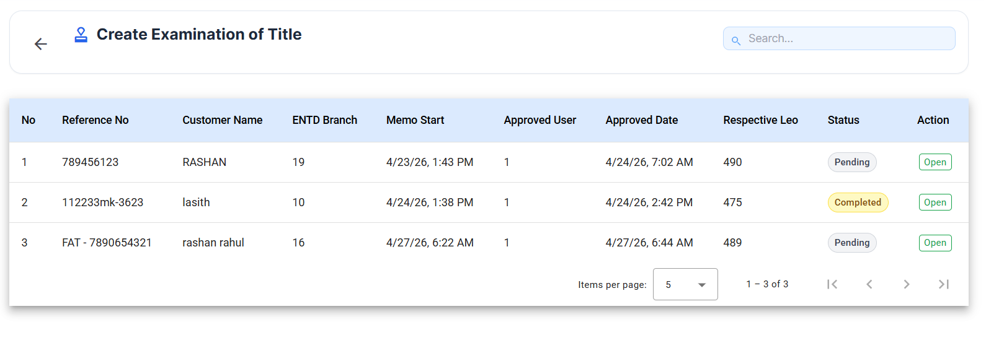 | solving pending
18 | User can submit “Title Search Request” by selecting only Title Searcher without required document selection | System should not allow submission Display validation message: 👉 “Please select at least one document” All mandatory fields should be validated before submission. | System allows request submission only with Title Searcher selected | 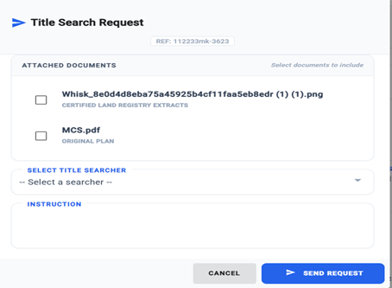 | Done
19 | User can submit “Title Search Request” by selecting only Title Searcher without required document selection |  |  | 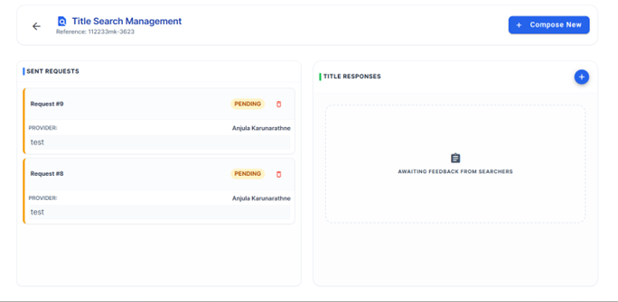 | Done
20 | File upload component allows invalid file types (.exe, .docx,mp4) despite restriction | System should only allow PDF, JPG, PNG | System accepts and uploads: .exe files .docx files .mp4 file | 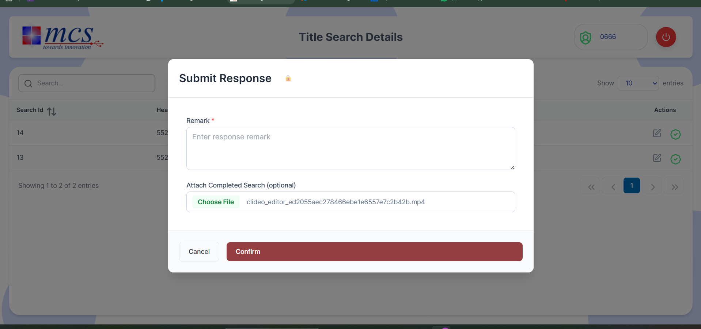 | Done
21 | Download Document API Returns 404 Not Found for Existing/Requested File | Document should download successfully OR show proper message (e.g. “File not found”) | API returns 404 Not Found and document is not downloaded | 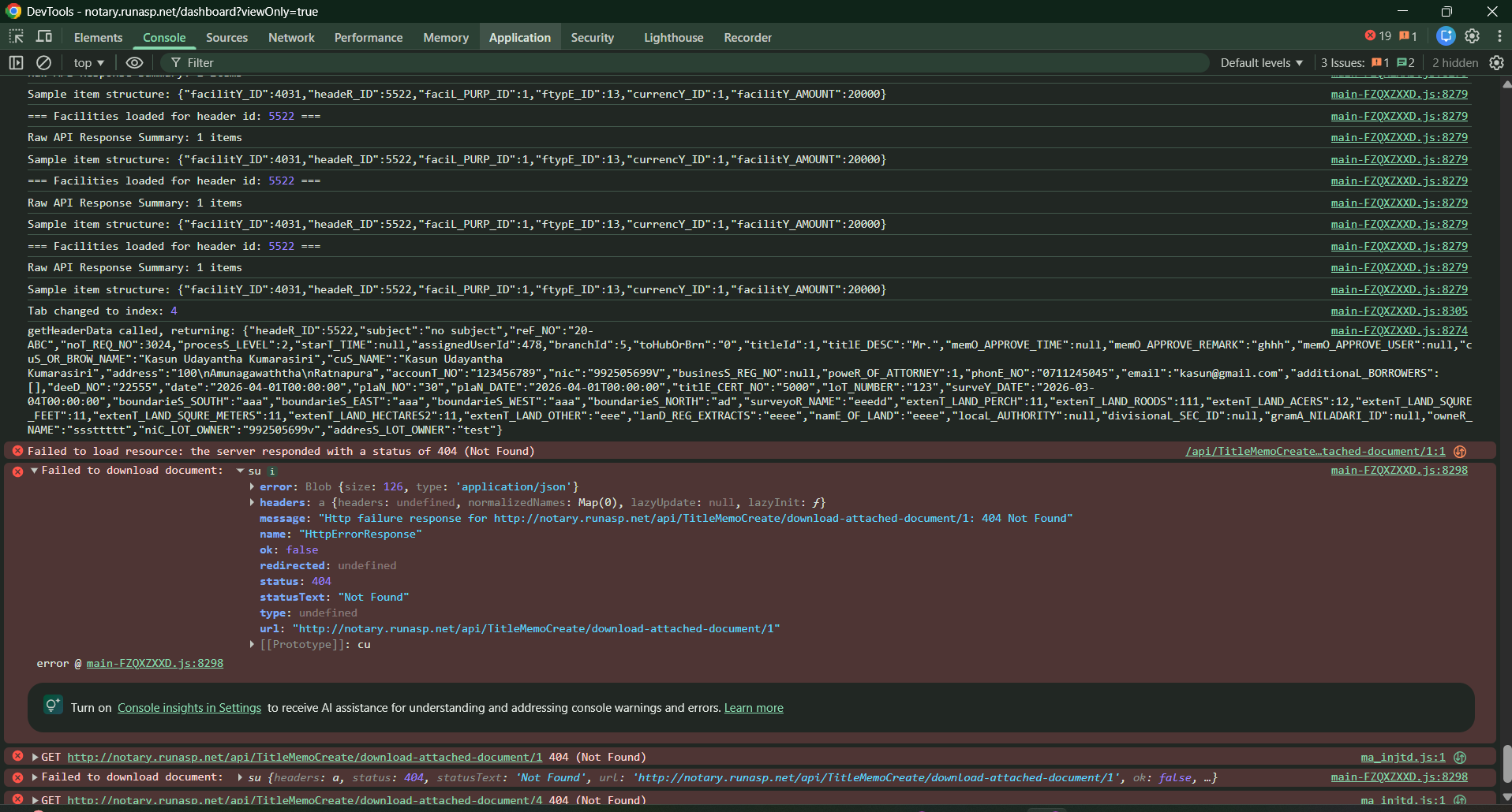 | 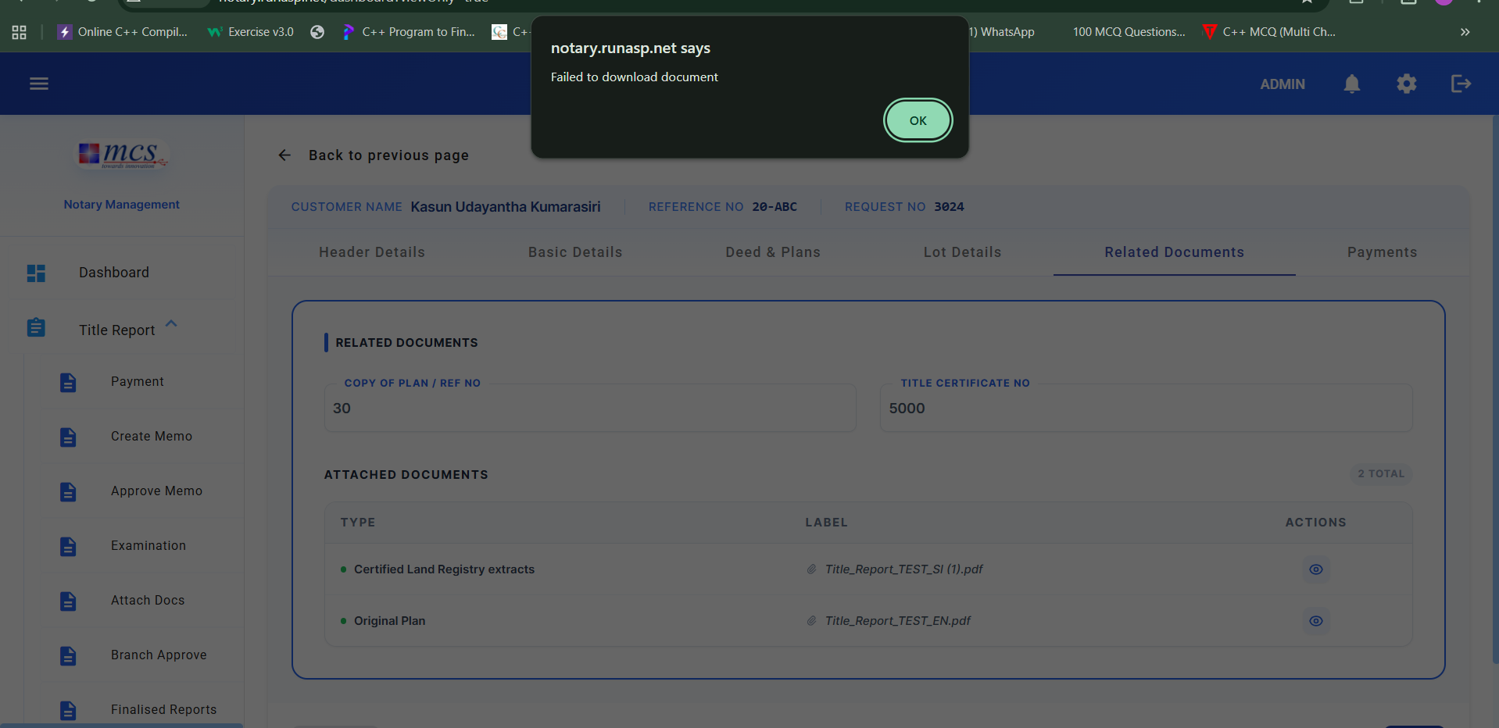 | Done
22

Mortgage
TestId | Test Caes | Expected Result | Actual Result | Attach | Column1 | Status | Column8
1 | Entered details are not saved in “Mortgage Bond Instruction” form (Saving stuck / not persisting) | Entered data should be saved successfully “Saving...” status should change to: “Saved” OR disappear. | “Saving...” status remains (no completion) Entered data is not saved Data is lost after navigation or refresh | 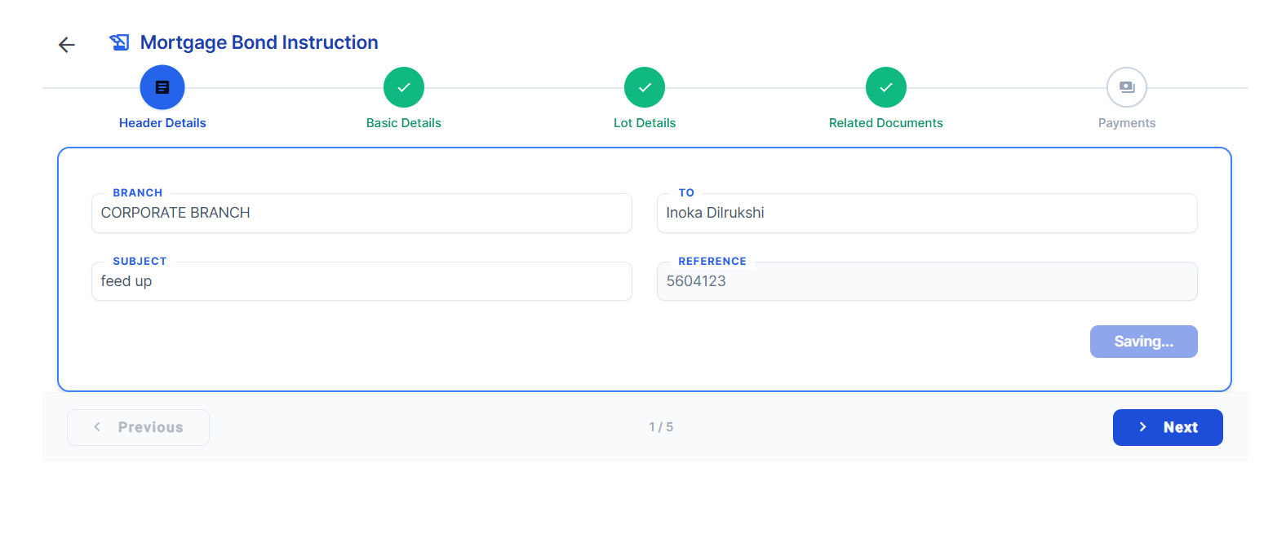
2 | phone number, borrower NIC, E-mail address not validation the user can input any text(symbol, character) | the system not allow the phone number, borrower NIC, email symbol, string value | phone number, borrower NIC, E-mail address accept all text | 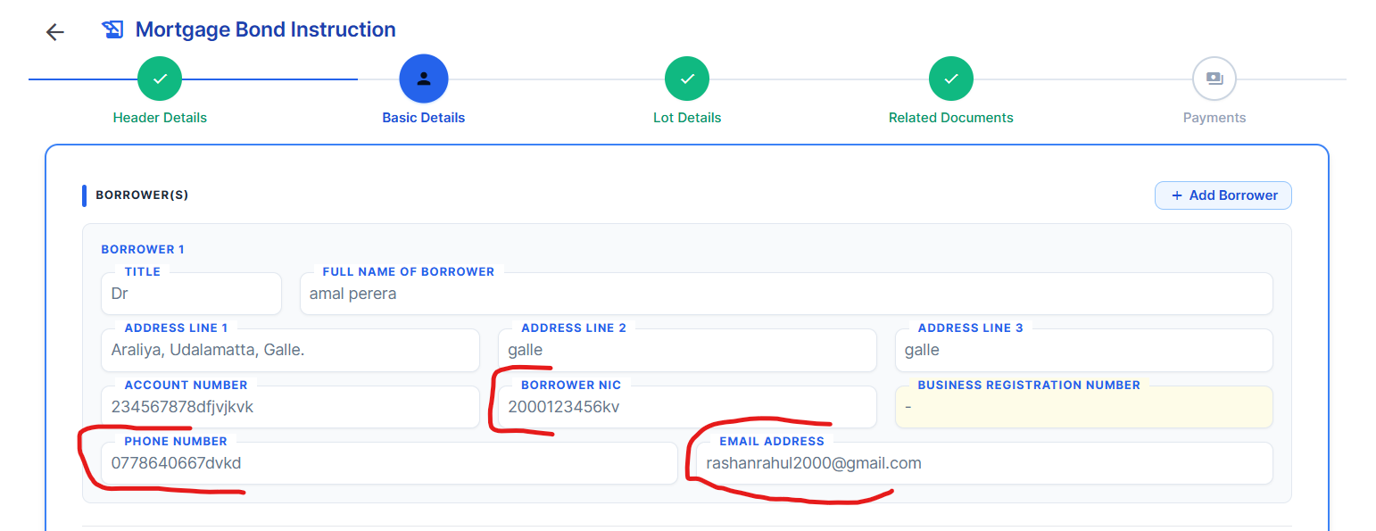
3 | NIC NO, Bussiness registration number not validation the user can input any text(symbol,...) | the system not allow the NIC, string value and symbol / bussiness registration number not allow the symbol (%^&*#) | NIC, bussiness registration number accept all text | 
4 | File upload component allows invalid file types (.exe, .docx) despite restriction | System should only allow PDF, JPG, PNG | System accepts and uploads: .exe files .docx files | 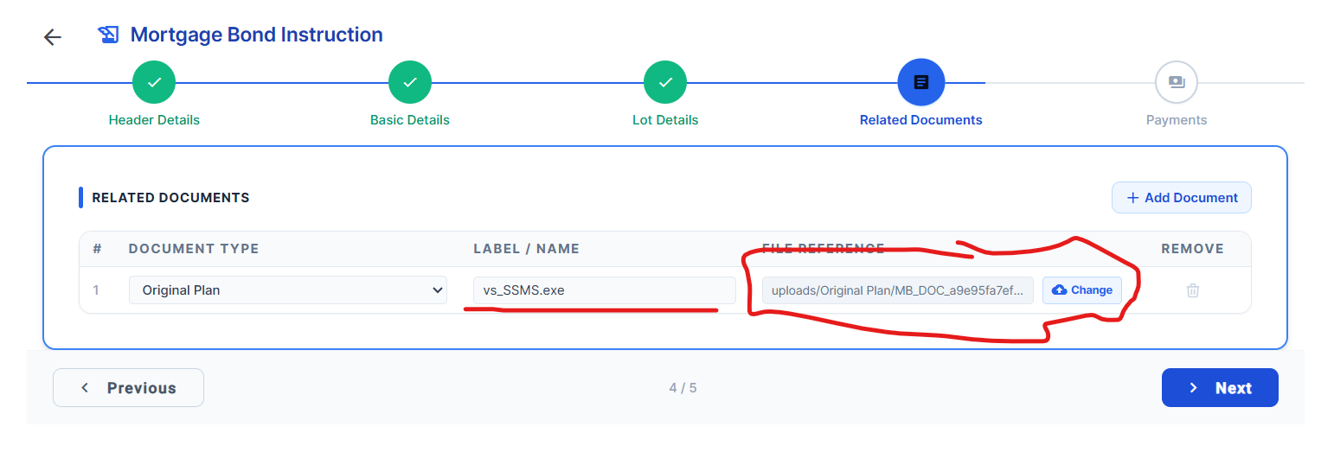
5

